Column
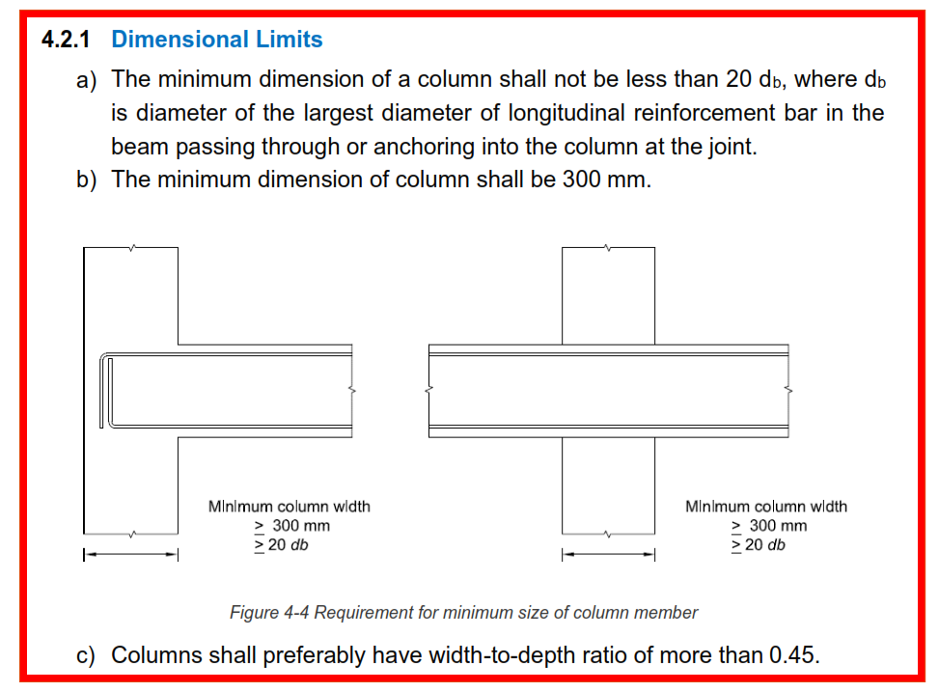
Column (Dimensional Limit)
NBC 105:2020 (Clause 4.2.1)

Clause 4.2.1 (a)
Diameter of rebar (db)= |  | 16mm | (largest dia. of longitudinal rebar in the beam)

 | 20db= | 20*16
 |  | 320mm

(Clause 4.2.1 (b)
min. dim. of column= |  | 300mm

(Clause 4.2.1 (c)
width to depth ratio |  | >0.45
width to depth ratio= |  | 355.6/355.6
 | = | 1
 |  | OK

Column width= |  | 14''
 | = | 14*25.4
 | = | 355.60 mm
Column depth= |  | 14''
 | = | 355.60 mm
Provide Column Size of 14''X14''.

Rebar dia. | numbers | area | no.s X area
20mm | 1 | 314.16 mm2 | 314.15926536
16mm | 3 | 201.06 mm2 | 603.18578949 | 600
12mm | 6 | 113.10 mm2 | 678.58401318
10mm | 1 | 78.54 mm2 | 78.53981634
8mm | 1 | 50.27 mm2 | 50.265482457

Beam
PRELIMINARY DESIGN OF BEAM
Beam(Dimensional Limit) NBC 105:2020

width of beam= | 9''
= | 228.60 mm
Depth of beam= | 14''
= | 355.60 mm
clear span
ft | inches
11 | 9
= | 3581.40 mm
effective span= | 3810.00 mm

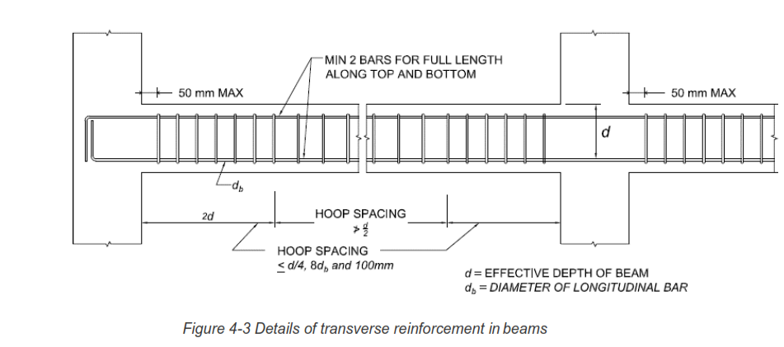
Clause 4.1.1 (a)
width to depth ratio > | 0.3
width to depth ratio= | 0.64
 | OK
Clause 4.1.1 (b)
min. width of beam= | 200 mm

Clause 4.1.1 (c)

Depth of beam< | 1/4th of clear span
1/4th of clear span= | 1/4 *3581.4
= | 895 mm
 | OK

Provide Beam Size of 9''X14''.

PRELIMINARY DESIGN OF BEAM

Slab
 |  |  |  |  | CAUTION: Do not edit
PRELIMINARY DESIGN OF SLAB

Continuous Slabs |  |  |  |  |  | Simply supported slabs | 35

$$\frac{l}{d}=$$
 | 40 | IS 456:2000 (Clause 24.1) |  | Normally l/d ratio is taken between (25 to 40) |  | Continuous slabs | 40
l = | 3124mm | (shorter span of the slab that need to be designed)
d = | 3124 / 40 | (depth of slab)
 | 78.10mm
Adopt (Φ)= | 10mm | (diameter of rebar)
Clear cover= | 15mm
Overall depth (D)= | 78.1+(10/2) +15
 | 98.10mm
 | 99.00mm | (say)

Continuous Slabs |  |  |  |  |  | Simply supported slabs | 35

$$\frac{l}{d}=$$
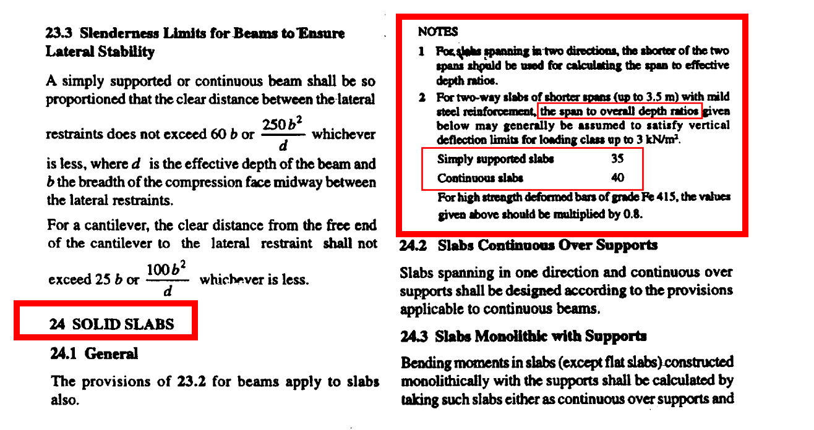
 | 40 | IS 456:2000 (Clause 24.1) |  |  |  | Continuous slabs | 40
lx= | 10' 3" | shorter span of slab
ly= | 11'9" | longer span of slab
 | feet | inches | mm
 | 10 | 3 | 3124.2
lx= | 3124.20mm | (shorter span of the slab that need to be designed)
d = | 3124.2 / 40 | (depth of slab)
 | 78.105mm
Adopt (Φ)= | 10mm | (diameter of rebar)
Clear cover= | 15mm
Overall depth (D)= | 78.105+(10/2) +15
 | 98.105mm
 | 99.00mm | (say)
 | 125mm
Provide Slab thickness of 125mm.

waist slab thickness (Leff/20 - Leff/25)
effective length (Leff)= |  | 146''
waist slab thickness= |  | 5.84''
 |  | 6''

